Table 20
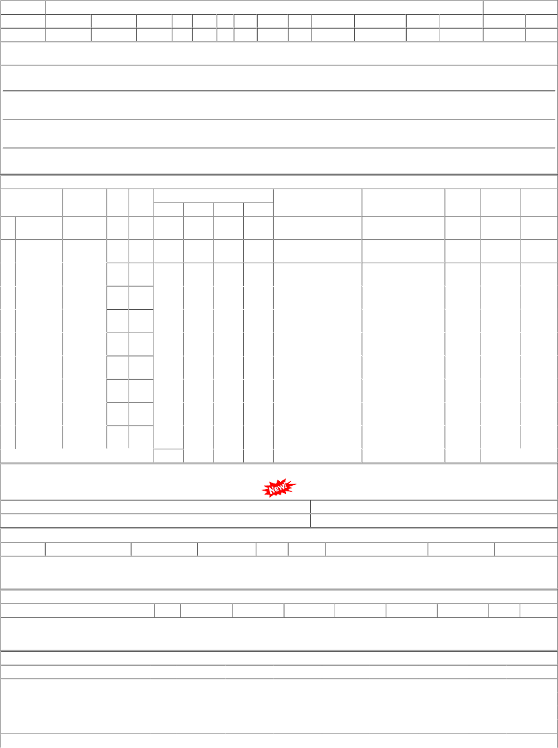
P.O.No.15220674104604 dt.29-

